Load Cell Selection
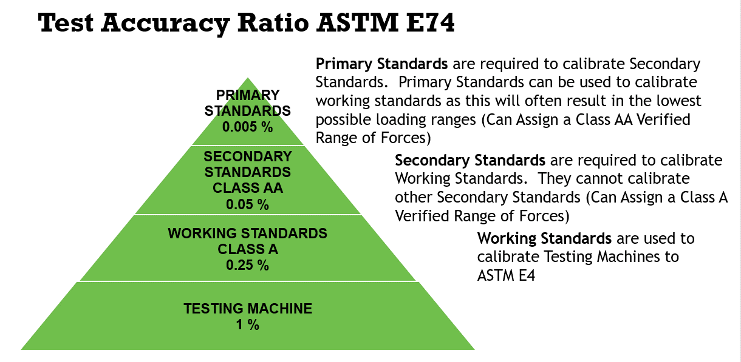
 |  |  | ASTM E74 Load Cell Selection

Company |  |  | Ultra 0.005 % of full scale |  |  | Precision 0.01 % of full scale |  |  | Calibration 0.02 % of full scale |  |  | Custom 0.025 % of full scale
Instrument Type | Load Cell |  | ASTM llf = 0.5 lbf |  |  | ASTM llf = 1 lbf |  |  | ASTM llf = 2 lbf |  |  | ASTM llf = 2.5 lbf
Capacity | 10000.00 |  | lbf | % of capacity |  | lbf | % of capacity |  | lbf | % of capacity |  | lbf | % of capacity
Force Units | lbf | ASTM CLASS A VERIFIED RANGE OF FORCES | 200.0 | 0.2500% | ASTM CLASS A VERIFIED RANGE OF FORCES | 400.0 | 0.2500% | ASTM CLASS A VERIFIED RANGE OF FORCES | 800.0 | 0.2500% | ASTM CLASS A VERIFIED RANGE OF FORCES | 1000.0 | 0.2500%
 |  |  | 1000.0 | 0.0500% |  | 1000.0 | 0.1000% |  | 1000.0 | 0.2000% |  | 1000.0 | 0.2500%
 |  |  | 2000.0 | 0.0250% |  | 2000.0 | 0.0500% |  | 2000.0 | 0.1000% |  | 2000.0 | 0.1250%
Morehouse Load Cells |  |  | 3000.0 | 0.0167% |  | 3000.0 | 0.0333% |  | 3000.0 | 0.0667% |  | 3000.0 | 0.0833%
Ultra | 0.005% |  | 4000.0 | 0.0125% |  | 4000.0 | 0.0250% |  | 4000.0 | 0.0500% |  | 4000.0 | 0.0625%
Precision | 0.010% |  | 5000.0 | 0.0100% |  | 5000.0 | 0.0200% |  | 5000.0 | 0.0400% |  | 5000.0 | 0.0500%
Calibration | 0.020% |  | 6000.0 | 0.0083% |  | 6000.0 | 0.0167% |  | 6000.0 | 0.0333% |  | 6000.0 | 0.0417%
Custom | 0.025% |  | 7000.0 | 0.0071% |  | 7000.0 | 0.0143% |  | 7000.0 | 0.0286% |  | 7000.0 | 0.0357%
 |  |  | 8000.0 | 0.0063% |  | 8000.0 | 0.0125% |  | 8000.0 | 0.0250% |  | 8000.0 | 0.0313%
 |  |  | 9000.0 | 0.0056% |  | 9000.0 | 0.0111% |  | 9000.0 | 0.0222% |  | 9000.0 | 0.0278%
 |  |  | 10000.0 | 0.0050% |  | 10000.0 | 0.0100% |  | 10000.0 | 0.0200% |  | 10000.0 | 0.0250%
 |  | ASTM Class AA 1st point 1000 lbf |  |  | ASTM Class AA 1st point 2000 lbf |  |  | ASTM Class AA 1st point 4000 lbf |  |  | ASTM Class AA 1st point 5000 lbf
 |  | Class AA Verified range of forces for calibration of other force-measuring instruments requires every force point needs to be better than 0.05 % of the applied force
 |  | Note: Morehouse has deadweight primary standards up to 120,000 lbf, any calibration above this, we cannot assign a Class AA range
 |  | Class A Verified range of forces for calibration of a 1 % testing or tensile machine means every force point needs to be better than 0.25 % of the applied force

